List
LA PROGRAMMAZIONE 21-27

Agriculture |  | European solidarity corps | ! | InvestEU
Asylum, Migration and Integration Fund |  | European Space programme |  | IPA III
Connecting Europe Facility |  | European Structural and Investment Funds |  | Justice, citizens, equality, rights and values
Creative Europe | ! | EU4Health |  | LIFE
Digital Europe programme |  | FISCALIS + CUSTOMS |  | NDICI - Global Europe
Erasmus+ |  | Horizon Europe |  | Single Market programme
EU Anti-Fraud programme |  | Humanitarian aid |  | Technical Support Instrument
European Defence Fund |  | Innovation Fund |  | Union Civil Protection Mechanism e rescEU
Clicca qui per accedere
ai bandi attivi
Guida ai finanziamenti UE
Edizione 2023

Per maggiori info:
desk21-27@unioncamere-europa.eu

AGRI
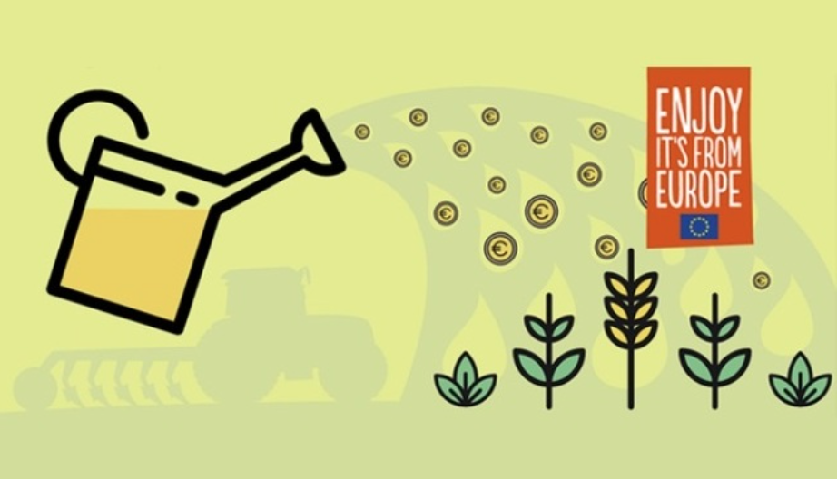
Agriculture | List!A1
 | Indice

Base legale
Regolamento relativo ad azioni di informazione e di promozione riguardanti i prodotti agricoli realizzate nel mercato interno e nei paesi terzi - 22/10/2014

Regolamento delegato che integra il regolamento relativo ad azioni di informazione e di promozione riguardanti i prodotti agricoli realizzate nel mercato interno e nei paesi terzi - 23/04/2015

Regolamento di esecuzione recante modalità di applicazione del regolamento relativo ad azioni di informazione e di promozione riguardanti i prodotti agricoli realizzate nel mercato interno e nei paesi terzi - 07/10/2015

Nuovo pacchetto di tre Regolamenti sulla Politica agricola comune (PAC) - 02/12/2021

Documenti generali
Programme guide - Promotion of Agricultural Products (AGRIP)
Promotion of Agricultural Products (AGRIP SIMPLE) General Model Grant Agreement
Promotion of Agricultural Products (AGRIP MULTI) General Model Grant Agreement
IMCAP 2022 - monthly reporting guidelines
IMCAP 2022 - monthly report template
IMCAP - Resources for 2024 information measures

Programmi di lavoro
Promozione dei prodotti agricoli dell'UE - Programma di lavoro 2021
Promotion of EU farm products - Work Programme 2022
Promotion of EU farm products - Work Programme 2023
Promotion of EU farm products - Work Programme 2023 - Annexes
Promotion of EU farm products - Work Programme 2024
Promotion of EU farm products - Work Programme 2024 - Annexes
Promotion of EU farm products - Work Programme 2025
Promotion of EU farm products - Work Programme 2025 - Annexes

Riferimenti
Pagina web della Promozione dei prodotti agricoli dell’UE sul sito di DG AGRI
Pagina web della Promozione dei prodotti agricoli dell’UE sul sito di REA
Pagina web delle Misure di informazione riguardanti la politica agricola comune

Contatti
Directorate-General for Agriculture and Rural Development (DG AGRI B.1)
European Research Executive Agency (REA) - Dipartimento B

In evidenza
28 CAP Strategic Plans (2023-27)
Decisione di esecuzione della Commissione relativa alla selezione dei programmi semplici di promozione dei prodotti agricoli per il 2023
Summary of CAP Strategic Plans for 2023-2027
Mapping and analysis of CAP strategic plans - Assessment of joint efforts for 2023-2027
Common Agriculture Policy simplification package 2025

InvestEU
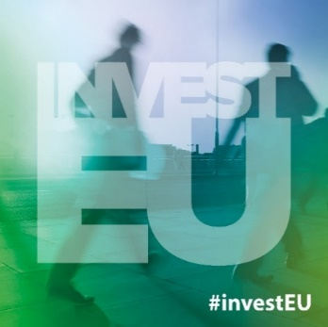
InvestEU | List!A1
 | Indice

Base legale
Regolamento che istituisce il programma InvestEU - 24/03/2021

Documenti generali
Regolamento delegato della Commissione che stabilisce gli orientamenti sugli investimenti per il Fondo InvestEU - 14/04/2021
Regolamento delegato della Commissione che integra il regolamento del Parlamento europeo e del Consiglio stabilendo elementi aggiuntivi e norme dettagliate del quadro di valutazione InvestEU - 12/07/2021

Riferimenti
Pagina web del programma
Pagina web del programma sul sito EIF
Pagina web del programma sul sito EIB
Access to EU Finance

Contatti
Directorate‑General for Economic and Financial Affairs (DG ECFIN) - Directorate L

In evidenza
InvestEU - Infografica
Investment Committee of the InvestEU Fund
Questions and answers: InvestEU Programme
EIF Guarantee products – calls for expression of interest
InvestEU Portfolio Guarantee Products
InvestEU in Italia: firmato da Commissione europea e Cassa Depositi e Prestiti accordo di consulenza da 6,7 milioni di € a sostegno di progetti infrastrutturali
InvestEU Roadshow Italy
Info sheet: GREEN ASSIST – Expert advice to make your investments greener
Info sheet: GREEN ASSIST – Become an expert and help make European projects greener
BlueInvest: Investor Report 2023
EIF’s Operational Plan 2024-2026
The EIB Group Operational Plan 2024-2026
Investment barriers in the European Union 2023 - A report by the European Investment Bank Group
BlueInvest: Investor Report 2024
Investment barriers in the European Union 2023
EIF Annual Report 2023
European Investment Bank financing and borrowing activities 2023
EIB Global Impact Report 2023/2024
EIB Group 2024-2027 Strategic Roadmap
EIB Group support for EU businesses: Evidence of impact in addressing market failures
2023 Report EIB group activities in EU cohesion regions
EIB Group Sustainability report 2023
EIB Group 2023 Climate Bank Roadmap Progress Report
Interim evaluation of the InvestEU Programme
EIB Working Paper 2024/04 - The impact of the digital and green transitions on investment inefficiency
Priorities for prosperity: The EIB Group 2024 Activity Report
EIF Annual Report 2024
EIB Group Evaluation Activity Report 2024 and Work Programme 2025-2027
EIB Global Impact Report 2024/2025

Innovation Fund
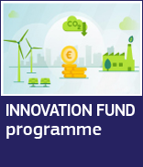
Innovation Fund | List!A1

 | Indice

Base legale
Regolamento delegato della Commissione che integra la direttiva 2003/87/CE del Parlamento europeo e del Consiglio per quanto riguarda il funzionamento del fondo per l'innovazione - 26/02/2019

Documenti generali
Innovation Fund - Model Grant Agreement

Programmi
Work programme 2022
Work programme 2023
Work Programme 2024-2030

Riferimenti
Pagina web del programma sul sito di CINEA
Pagina web del programma sul sito di DG CLIMA

Contatti
Directorate-General for Climate Action (DG CLIMA) - Direzione C.3
European Climate, Infrastructure and Environment Executive Agency (CINEA) - Dipartimento C

In evidenza
Innovation Fund Project Portfolio Dashboard
Innovation Fund overview
Innovation Fund - Social Media Guidelines
Innovation fund progress report
CINEA public dashboard
Carta della Missione sull'Adattamento ai Cambiamenti Climatici
Innovation fund progress report
EU-wide action for renewable hydrogen production under the Innovation Fund
Annual knowledge sharing report of the Innovation Fund

CEF
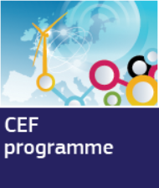
Connecting Europe Facility | List!A1
 | Indice

Base legale
Regolamento che istituisce il meccanismo per collegare l'Europa - 07/07/2021

Documenti generali
Connecting Europe Facility (CEF) - General Model Grant Agreement
Connecting Europe Facility (CEF) Model Grant Agreement - Unit Grants

Programmi di lavoro
Commission implementing decision on the financing of the energy sector under the Connecting Europe Facility and the adoption of the multiannual work programme for the period 2021-2027 - 06/08/2021

ANNEX to the Commission implementing decision on the financing of the energy sector under the Connecting Europe Facility and the adoption of the multiannual work programme for the period 2021-2027 - 06/08/2021

Commission implementing decision on the financing of the Connecting Europe Facility - Transport sector and the adoption of the work programme for 2021-2027 - 05/08/2021

ANNEX to the Commission Implementing Decision on the financing of the Connecting Europe Facility - Transport sector and the adoption of the work programme for 2021-2027 - 05/08/2021
Multiannual work programme for 2021-2025 - Connecting Europe Facility - Digital
Commission Implementing Decision - Amendment - 19/4/2023
ANNEX to the Commission Implementing Decision - Amendment - 19/4/2023
Amended CEF-Transport Multi-Annual Work Programme 2021-2027
Multiannual Work Programme 2024-2027 - Connecting Europe Facility - Digital

Riferimenti
Pagina web del programma

Contatti
European Climate, Infrastructure and Environment Executive Agency (CINEA) - Dipartimento B
European Health and Digital Executive Agency (HaDEA) - Dipartimento B.1
Directorate-General for Communications Networks, Content and Technology (DG CONNECT) - Direzione B
Directorate-General for Mobility and Transport (DG MOVE)

In evidenza
Briefing - Connecting Europe Facility 2021-2027
Social Media guide for CEF beneficiaries
CEF Digital: Operational Digital Platforms
CBA Guidance - Scope of the CBA in the framework of the CEF transport
Investing in European Networks
eID: discover one of the CEF building blocks
CEF Brochure
CEF Energy - Leaflet for calls for Cross-border Renewable Energy Projects
CINEA public dashboard
Factsheet on Military Mobility
CEF Energy 2023
2014-2024: Building a future-proof European Energy network with the Connecting Europe Facility Energy
Projects funded under Connecting Europe Facility (CEF) Digital

Single Market
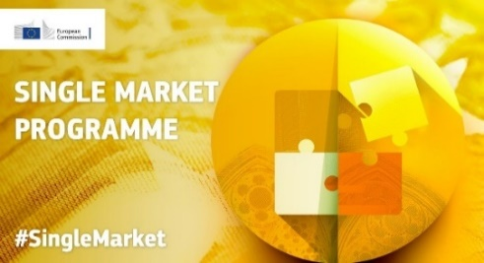
Single Market Programme | List!A1
 | Indice

Base legale
Regolamento che istituisce il programma per il mercato unico - 28/04/2021

Documenti generali
Single Market Programme - General Model Grant Agreement

Programmi di lavoro
Commission Implementing Decision of 6 May 2021 on the financing of the Single Market Programme
ANNEX I - SMP Bundle: Internal Market, Standardisation, Consumers and other financial services End-users
ANNEX II - Improving the competitiveness of enterprises, particularly SMEs, and supporting their access to markets
ANNEX III - Consumer Policy Financing Programme for 2021-2022
ANNEX IV - Work programme for years 2021 and 2022 in respect of actions contributing to a high level of health for humans, animals, and plants along the food chain and in related areas
...

FISCALIS+CUSTOMS
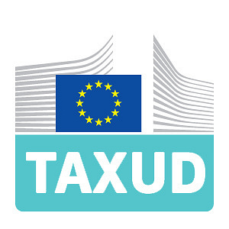
FISCALIS + CUSTOMS | List!A1
 | Indice

Base legale
Regolamento che istituisce il programma CUSTOMS - 11/03/2021
Regolamento che istituisce il programma FISCALIS - 20/05/2021

Documenti generali
CUST + FISC - General Model Grant Agreement

Programmi di lavoro
Multiannual Work Programme 2021-2022 for the Customs programme
Multiannual Work Programme 2023-2025 for the Customs programme
Multiannual Work Programme 2021-2023 for the Fiscalis programme
...

TSI
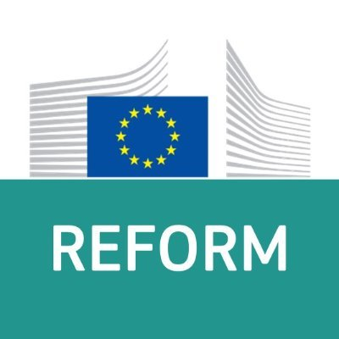
List!A1
Indice
...

EU4Health
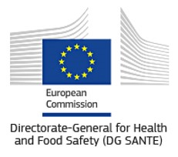
List!A1
Indice
...

LIFE
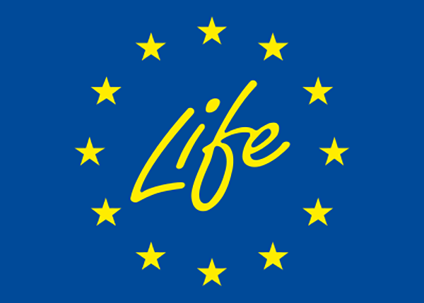
List!A1
Indice
...

NDICI
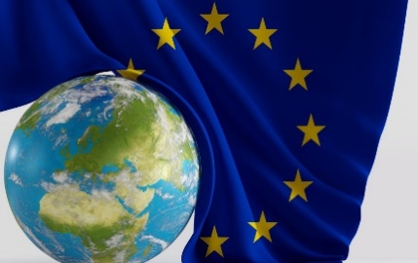
List!A1
Indice
...

IPA III
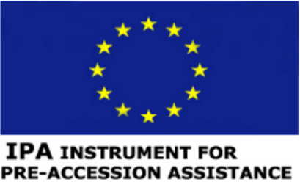
List!A1
Indice
...

